Dashboard
Dashboard
1 | EDA - Weekly Summary
 | Trend | Chart
a | => Qty | Line
 | => Revenue
 | => Price

b | YTD vs. previous year | Waterfall

c | Qty and Revenue Share % | Pie
 | => by functionality
 | => by Vendor
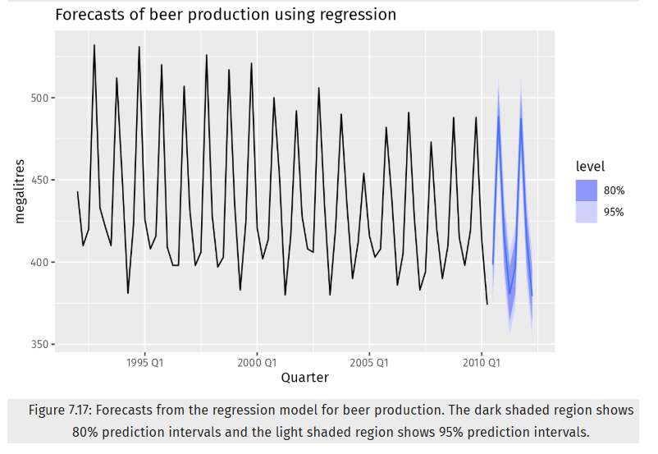
2 | Demand forecasting

a. | => Actual + Forecast | Line

 | => Slicer to select number of periods for forecast
 | i. N+1 to N+3 weeks
 | => Display 1 or both models
 | => Parameter adjusted
 | i. confidence interval % (1%, 5%, 10%)

3 | Feature promotion effectiveness

a. | incremental sales (revenue) are generated from feature promotions | Stacked Bar/Waterfall
b. | SKUs show a significant increase in demand (Qty) due to | Bar
 | promotions.

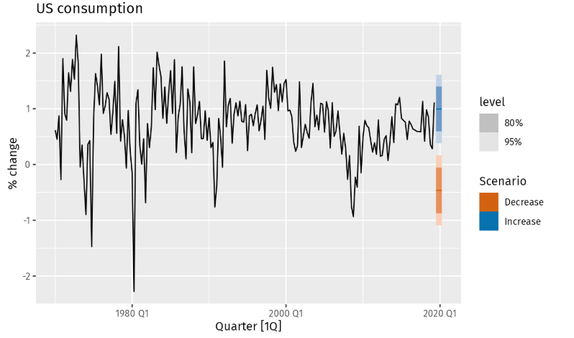
4 | Price elasticity and scenario testing

a. | Price elasticity for each SKU and visualize how price changes impact demand.
b. | Demand (Qty) changes under a 5%, 10%, 20%, and 30%
 | price increase and a 5%, 10%, 20%, and 30% price decrease.

Slicer
Product
1 | SKU
2 | Function
3 | Color

Time
1 | Year
2 | Month
3 | Weeknum/Week

Marketing
1 | Feature

Vendor
1 | Vendor

Overview
Year | Weeknum | Sales Qty | Revenue | Avg. Price
2016 | 14-Nov | 752 | 6366.52 | 8.4661170213
 | 21-Nov | 661 | 7095.59 | 10.734629349
 | 28-Nov | 821 | 8050.53 | 9.8057612667
 | 05-Dec | 922 | 8623.33 | 9.3528524946
 | 12-Dec | 2782 | 17989.1 | 6.4662473041
 | 19-Dec | 2356 | 13798 | 5.8565365025
 | 26-Dec | 1062 | 9408.99 | 8.8596892655
2017 | 02-Jan | 2162 | 10375.79 | 4.7991628122
 | 09-Jan | 918 | 9105.17 | 9.9184858388
 | 16-Jan | 1758 | 8562.26 | 4.8704550626
 | 23-Jan | 879 | 8471.92 | 9.6381342435
Sales Qty and Revenue
 | Sales Qty | Revenue
14-Nov | 752 | 6366.52
21-Nov | 661 | 7095.59
28-Nov | 821 | 8050.53
05-Dec | 922 | 8623.33
12-Dec | 2782 | 17989.1
19-Dec | 2356 | 13798
26-Dec | 1062 | 9408.99
02-Jan | 2162 | 10375.79
09-Jan | 918 | 9105.17
16-Jan | 1758 | 8562.26
23-Jan | 879 | 8471.92
30-Jan | 1485 | 7581.91
06-Feb | 625 | 6641.05
13-Feb | 679 | 6581.31
20-Feb | 874 | 9409.93
27-Feb | 737 | 7598.03
06-Mar | 690 | 7229.85
13-Mar | 925 | 9338.04
20-Mar | 794 | 7503.6
27-Mar | 780 | 7777.04
03-Apr | 801 | 7726.14
10-Apr | 1025 | 11544.77
17-Apr | 1090 | 12092.21
24-Apr | 802 | 9947.85
01-May | 1522 | 16333.09
08-May | 940 | 10795.82
15-May | 1380 | 10460.19
22-May | 4501 | 22913.62
29-May | 3721 | 22714.85
05-Jun | 3738 | 17976.24
12-Jun | 2954 | 14358.58
19-Jun | 3234 | 22119.81
26-Jun | 3285 | 17695.65
03-Jul | 1219 | 12253.7
10-Jul | 2737 | 16892.21
17-Jul | 1000 | 11959.71
24-Jul | 592 | 8031.88
31-Jul | 329 | 5438.14
07-Aug | 985 | 9792.92
14-Aug | 1027 | 10517.98
21-Aug | 3980 | 21512.37
28-Aug | 1194 | 9402.85
04-Sep | 548 | 7572.31
11-Sep | 1738 | 14311.52
18-Sep | 526 | 5838.23
25-Sep | 543 | 6673.33
02-Oct | 1108 | 10839.2
09-Oct | 684 | 5993.74
16-Oct | 880 | 9866.64
23-Oct | 2015 | 11600.68
...
Functionality Sale Qty Share %
 | Total
04.Selfie sticks | 138446
 | 30-Jan | 1485 | 7581.91 | 5.1056632997
 | 06-Feb | 625 | 6641.05 | 10.62568
 | 13-Feb | 679 | 6581.31 | 9.6926509573
 | 20-Feb | 874 | 9409.93 | 10.766510297
 | 27-Feb | 737 | 7598.03 | 10.309402985
 | 06-Mar | 690 | 7229.85 | 10.478043478
 | 13-Mar | 925 | 9338.04 | 10.095178378
 | 20-Mar | 794 | 7503.6 | 9.4503778338
 | 27-Mar | 780 | 7777.04 | 9.9705641026
 | 03-Apr | 801 | 7726.14 | 9.6456179775
 | 10-Apr | 1025 | 11544.77 | 11.263190244
 | 17-Apr | 1090 | 12092.21 | 11.093770642
 | 24-Apr | 802 | 9947.85 | 12.403802993
 | 01-May | 1522 | 16333.09 | 10.731333771
 | 08-May | 940 | 10795.82 | 11.484914894
 | 15-May | 1380 | 10460.19 | 7.5798478261
 | 22-May | 4501 | 22913.62 | 5.0907842702
Average Price
 | Avg. Price
14-Nov | 8.4661170213
21-Nov | 10.734629349
28-Nov | 9.8057612667
05-Dec | 9.3528524946
12-Dec | 6.4662473041
19-Dec | 5.8565365025
26-Dec | 8.8596892655
02-Jan | 4.7991628122
09-Jan | 9.9184858388
16-Jan | 4.8704550626
23-Jan | 9.6381342435
30-Jan | 5.1056632997
06-Feb | 10.62568
13-Feb | 9.6926509573
20-Feb | 10.766510297
27-Feb | 10.309402985
06-Mar | 10.478043478
13-Mar | 10.095178378
20-Mar | 9.4503778338
27-Mar | 9.9705641026
03-Apr | 9.6456179775
10-Apr | 11.263190244
17-Apr | 11.093770642
24-Apr | 12.403802993
01-May | 10.731333771
08-May | 11.484914894
15-May | 7.5798478261
22-May | 5.0907842702
29-May | 6.1045014781
05-Jun | 4.8090529695
12-Jun | 4.8607244414
19-Jun | 6.8397680891
26-Jun | 5.386803653
03-Jul | 10.052255947
10-Jul | 6.1717975886
17-Jul | 11.95971
24-Jul | 13.567364865
31-Jul | 16.529300912
07-Aug | 9.9420507614
14-Aug | 10.241460565
21-Aug | 5.4051180905
28-Aug | 7.8750837521
04-Sep | 13.818083942
11-Sep | 8.2344764097
18-Sep | 11.099296578
25-Sep | 12.289742173
02-Oct | 9.7826714801
09-Oct | 8.7627777778
16-Oct | 11.212090909
23-Oct | 5.7571612903
...
 | 29-May | 3721 | 22714.85 | 6.1045014781
 | 05-Jun | 3738 | 17976.24 | 4.8090529695
 | 12-Jun | 2954 | 14358.58 | 4.8607244414
 | 19-Jun | 3234 | 22119.81 | 6.8397680891
 | 26-Jun | 3285 | 17695.65 | 5.386803653
Functionality Sale Qty Share %
 | Total
3 | 10028
4 | 10136
7 | 1619
8 | 116663
 | 03-Jul | 1219 | 12253.7 | 10.052255947
 | 10-Jul | 2737 | 16892.21 | 6.1717975886
 | 17-Jul | 1000 | 11959.71 | 11.95971
 | 24-Jul | 592 | 8031.88 | 13.567364865
 | 31-Jul | 329 | 5438.14 | 16.529300912
 | 07-Aug | 985 | 9792.92 | 9.9420507614
 | 14-Aug | 1027 | 10517.98 | 10.241460565
 | 21-Aug | 3980 | 21512.37 | 5.4051180905
 | 28-Aug | 1194 | 9402.85 | 7.8750837521
 | 04-Sep | 548 | 7572.31 | 13.818083942
 | 11-Sep | 1738 | 14311.52 | 8.2344764097
 | 18-Sep | 526 | 5838.23 | 11.099296578
 | 25-Sep | 543 | 6673.33 | 12.289742173
 | 02-Oct | 1108 | 10839.2 | 9.7826714801
 | 09-Oct | 684 | 5993.74 | 8.7627777778
 | 16-Oct | 880 | 9866.64 | 11.212090909
 | 23-Oct | 2015 | 11600.68 | 5.7571612903
 | 30-Oct | 7809 | 22611.04 | 2.8955103086
 | 06-Nov | 657 | 6738.42 | 10.256347032
 | 13-Nov | 1974 | 14875.48 | 7.535704154
 | 20-Nov | 614 | 6234.29 | 10.153566775
 | 27-Nov | 456 | 6074.98 | 13.322324561
 | 04-Dec | 283 | 3895.49 | 13.764982332
 | 11-Dec | 201 | 3099.57 | 15.420746269
 | 18-Dec | 558 | 4713.87 | 8.4477956989
 | 25-Dec | 1376 | 7247.9 | 5.267369186
2018 | 01-Jan | 188 | 2453.29 | 13.049414894
 | 08-Jan | 270 | 3558.26 | 13.178740741
 | 15-Jan | 281 | 3452.6 | 12.28683274
 | 22-Jan | 259 | 3359.46 | 12.970888031
 | 29-Jan | 259 | 3182.57 | 12.287915058
 | 05-Feb | 409 | 4202.69 | 10.275525672
 | 12-Feb | 695 | 5517.72 | 7.9391654676
 | 19-Feb | 696 | 6368.8 | 9.1505747126
 | 26-Feb | 268 | 4174.13 | 15.57511194
 | 05-Mar | 690 | 7679.13 | 11.129173913
 | 12-Mar | 843 | 8650.75 | 10.261862396
 | 19-Mar | 808 | 9314.08 | 11.527326733
 | 26-Mar | 555 | 6514.89 | 11.738540541
 | 02-Apr | 372 | 5210.91 | 14.007822581
 | 09-Apr | 317 | 5173.67 | 16.320725552
 | 16-Apr | 327 | 5150.59 | 15.751039755
 | 23-Apr | 442 | 5957.08 | 13.477556561
 | 30-Apr | 307 | 4486.37 | 14.613583062
 | 07-May | 269 | 4540.91 | 16.88070632
 | 14-May | 864 | 9452.37 | 10.940243056
 | 21-May | 993 | 10751.71 | 10.827502518
 | 28-May | 438 | 5505.64 | 12.569954338
 | 04-Jun | 688 | 8271.99 | 12.023241279
 | 11-Jun | 3109 | 22793.72 | 7.3315278225
 | 18-Jun | 3896 | 23108.56 | 5.9313552361
 | 25-Jun | 3062 | 26013.26 | 8.4955127368
 | 02-Jul | 1740 | 13527.41 | 7.7743735632
 | 09-Jul | 6919 | 32121.54 | 4.6425119237
 | 16-Jul | 2652 | 20696.76 | 7.8042081448
 | 23-Jul | 921 | 9641.68 | 10.468707926
 | 30-Jul | 2041 | 12226.73 | 5.9905585497
 | 06-Aug | 3009 | 25363.01 | 8.4290495181
 | 13-Aug | 628 | 9217.42 | 14.677420382
 | 20-Aug | 1082 | 11104.69 | 10.263114603
 | 27-Aug | 2807 | 20297.55 | 7.2310473815
 | 03-Sep | 1369 | 10922.94 | 7.9787728269
 | 10-Sep | 3723 | 23131.11 | 6.2130298147
 | 17-Sep | 2310 | 20265.11 | 8.7727748918

